TC-WEB UI
Test ID | Scenario | Test Title | Pre-Condition | Test Type | Test Data | Test step | Expected Result | Planned Date | Actual Result | Execution Date | Status | Note | Screenshoot
TC_001 | Authentication | User succes register account | User login with valid email & password | Positive | Fullname: ${name} email: ${email} password: ${password | 1. User acces https://alta-shop.vercel.app/ | 1. User is redirected to homepage | 2022-02-11 | 1. User is redirected to homepage | 2022-02-11 | Success
 |  |  |  |  |  | 2. User click register icon | 2. User is redirected to Register page |  | 3. User is redirected to Register page
 |  |  |  |  |  | 3. User fill the form with valid email | 3. User can fill form register |  | 4. User can fill form register
 |  |  |  |  |  | 4. User click register button | 4 User is redirected to Login page |  | 5. User is redirected to Login page
TC_002 |  | User failed to register | User didn't fill the name | Negative | Fullname: ${} email: ${email} password: ${password | 1. User acces https://alta-shop.vercel.app/ | 1. User is redirected to homepage | 2022-02-11 | 1. User is redirected to homepage | 2022-02-11 | Success
 |  |  |  |  |  | 2. User click register icon | 2. User is redirected to Register page |  | 2. User is redirected to Register page
 |  |  |  |  |  | 3. User didn't fill the name | 3. User can fill form register |  | 3. User can fill form register
 |  |  |  |  |  | 4. User fill the email
 |  |  |  |  |  | 5. User fill the password
 |  |  |  |  |  | 6. User click register button | 4. User cannot register |  | 4. User cannot register
TC_003 |  | User failed to register | User login with Invalid email | Negative | Fullname: ${name} email: ${email} password: ${password | 1. User acces https://alta-shop.vercel.app/ | 1. User is redirected to homepage | 2022-02-11 | 1. User is redirected to homepage | 2022-02-11 | Failed
 |  |  |  |  |  | 2. User click login icon | 2. User is redirected to Login page |  | 2. User is redirected to Login page
 |  |  |  |  |  | 3. User click register icon | 3. User is redirected to Register page |  | 3. User is redirected to Register page
 |  |  |  |  |  | 4. User fill the form with invalid email | 4. User can fill form register |  | 4. User can fill form register
 |  |  |  |  |  | 5. User click register button | 5. User is cannot register |  | 5. User is redirected to Login page
TC_004 |  | User failed to register | User login without email | Negative | Fullname: ${name} email: ${} password: ${password | 1. User acces https://alta-shop.vercel.app/ | 1. User is redirected to homepage | 2022-02-11 | 1. User is redirected to homepage | 2022-02-11 | Success
 |  |  |  |  |  | 3. User click register icon | 2. User is redirected to Register page |  | 2. User is redirected to Register page
 |  |  |  |  |  | 4. User fill the form without email | 3. User can fill form register |  | 3. User can fill form register
 |  |  |  |  |  | 5. User click register button | 4. User is cannot register |  | 4. User is cannot register
TC_005 |  | User failed to register | User login without password | Negative | Fullname: ${name} email: ${email} password: ${} | 1. User acces https://alta-shop.vercel.app/ | 1. User is redirected to homepage | 2022-02-12 | 1. User is redirected to homepage | 2022-02-11 | Success
 |  |  |  |  |  | 2. User click register icon | 2. User is redirected to Register page |  | 2. User is redirected to Register page
 |  |  |  |  |  | 3. User fill the form without password | 3. User can fill form register |  | 3. User can fill form register
 |  |  |  |  |  | 4. User click register button | 4. User is cannot register |  | 4. User is cannot register
TC_006 |  | User succes login account | User have an account | Positive | email:${email} password:${password | 1. User acces https://alta-shop.vercel.app/ | 1. User is redirected to homepage | 2022-02-11 | 1. User is redirected to homepage | 2022-02-11 | Success
 |  |  |  |  |  | 2. User click login icon | 2. User is redirected to Login page |  | 2. User is redirected to Login page
 |  |  |  |  |  | 3. User fill field | 3. User can fill form login |  | 3. User can fill form login
 |  |  |  |  |  | 4. User click login button | 4. User redirected to homepage |  | 4. User redirected to homepage
TC_007 |  | User failed to login | User login with invalid email | Negative | email:${email} password:${password | 1. User acces https://alta-shop.vercel.app/ | 1. User is redirected to homepage | 2022-02-11 | 1. User is redirected to homepage | 2022-02-11 | Success
 |  |  |  |  |  | 2. User click login icon | 2. User is redirected to Login page |  | 2. User is redirected to Login page
 |  |  |  |  |  | 3. User fill field | 3. User can fill form login |  | 3. User can fill form login
 |  |  |  |  |  | 4. User click login button | 4. There warning "record not found" |  | 4. There warning "record not found"
TC_008 |  | User failed to login | User login without password | Negative | email:${email} password:${password | 1. User acces https://alta-shop.vercel.app/ | 1. User is redirected to homepage | 2022-02-11 | 1. User is redirected to homepage | 2022-02-11 | Success
 |  |  |  |  |  | 2. User click login icon | 2. User is redirected to Login page |  | 2. User is redirected to Login page
 |  |  |  |  |  | 3. User fill field | 3. User can fill form login |  | 3. User can fill form login
 |  |  |  |  |  | 4. User click login button | 4. There warning "record not found" |  | 4. There warning "record not found"
TC_009 |  | User Logout from account | Given user already logged in | Positive |  | 1. User on the homepage | User logged out successfully | 2022-02-11 | User logged out successfully and navigates to login page | 2022-02-11 | Success
 |  |  |  |  |  | 2. Click profile icon at navbar
 |  |  |  |  |  | 3. Click logout
TC_010 | Homepage | User view product details | 1. Connected to the internet 2. User has accessed the web https://alta-shop.vercel.app/ 3. User already login account | Positive |  | 1. User on the homepage | Successfully see the product details | 2022-03-11 | As expected | 2022-04-11 | Success |  | 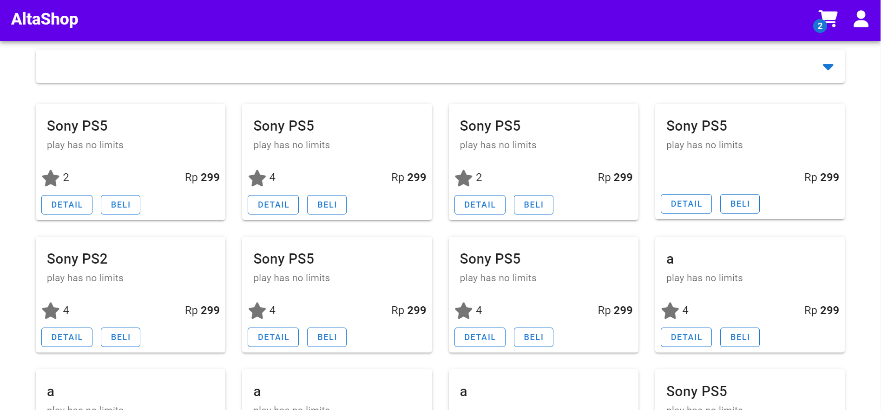
 |  |  |  |  |  | 2. Click details
TC_011 |  | User add item to cart |  | Positive |  | 1. User on the homepage | Successfully added item to cart | 2022-03-11 | As expected | 2022-04-11 | Success |  | 
 |  |  |  |  |  | 2. Click buy
 |  |  |  |  |  | 3. Click cart
TC_012 |  | User select category |  | Positive |  | 1. User on the homepage 2. Click select category 3. Choose category | Items found | 2022-03-11 | As expected | 2022-04-11 | Success

TC_013 |  | User clearing category |  | Positive |  | 1. Click select category 2. Choose category 3. Click the cross icon | View all items | 2022-03-11 | As expected | 2022-04-11 | Success

TC_014 |  | User give rating product |  | Positive |  | 1. User on the homepage 2. Click detail 3. Rate the product 4. Click Altashop | Success to give a product rating | 2022-03-11 | As expected | 2022-04-11 | Success

TC_015 |  | User want back to homepage |  | Positive |  | 1. User on the homepage 2. Click details 3. Click AltaShop | On the home page | 2022-03-11 | As expected | 2022-04-11 | Success

TC_016 | Cart | View items in cart | 1. Connected to the internet 2. User has accessed the web https://alta-shop.vercel.app/ 3. User already login account | Positive |  | 1. User on the homepage 2. Click cart | Show items in cart | 2022-03-11 | As expected | 2022-04-11 | Success

TC_017 |  | User add Items in cart |  | Positive |  | 1. User on the homepage 2. Click cart 3. Click add icon | Success to increase the number of items | 2022-03-11 | As expected | 2022-04-11 | Success

TC_018 |  | User reduce Items in cart |  | Positive |  | 1. User on the homepage 2. Click cart 3. Click the less icon | Success to reduce the number of items | 2022-03-11 | As expected | 2022-04-11 | Success

TC_019 |  | User pay the items in cart |  | Positive |  | 1. User on the homepage 2. Click buy 3. Click cart 4. Click pay | Successfully paid for the item | 2022-03-11 | As expected | 2022-04-11 | Success

TC_020 | Transaction | User view history transaction | 1. Connected to the internet 2. User has accessed the web https://alta-shop.vercel.app/ 3. User already login account | Positive |  | 1. User on the homepage 2. User click profile icon at navbar 3. Click transaction | Show history transaction | 2022-03-11 | Not history transaction | 2022-04-11 | Failed

TC_021 |  | User filtering list transaction by product | 1. Connected to the internet 2. User has accessed the web https://alta-shop.vercel.app/ 3. User already login account | Positive |  | 1. User on the homepage 2. User click profile icon at navbar 3. Click transaction 4. Organize products based on high and low | Success to increase the number of items | 2022-03-11 | No Data Avaible | 2022-04-11 | Failed

TC-API
Test Id | Scenario | Test Tittle | Pre_condition | Test Type | Test Data | Test Step | Expected Result | Planed Date | Actual Result | Execution Date | Status | Screenshoot | Comment
TC_001 | Authentication | User registers with valid data | User Opening testing software | Positive | { "email":"someone@mail.com", "password":"123123", "fullname":"Firstname Lastname" } | 1. Set method POST 2. Set URL https://alta-shop.herokuapp.com/api/auth/register 3. Set body parameter(using data) 4. Send Request 5. Verify result 200 6. Verify response body properties | Response 200 | 2022-10-02 | Response 400 Bad Request | 2022-10-26 | Failed | 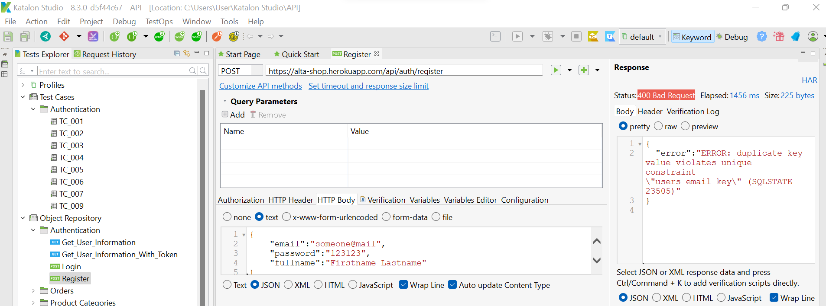
TC_002 |  | User registers without email |  | Negative | { "password":"123123", "fullname":"Firstname Lastname" } | 1. Set method POST 2. Set URL https://alta-shop.herokuapp.com/api/auth/register 3. Set body parameter(using data) 4. Send Request 5. Verify result 400 Bad Request 6. Verify response body properties | Response 400 Bad Request | 2022-10-02 | Response 400 Bad Request | 2022-10-27 | Passed | 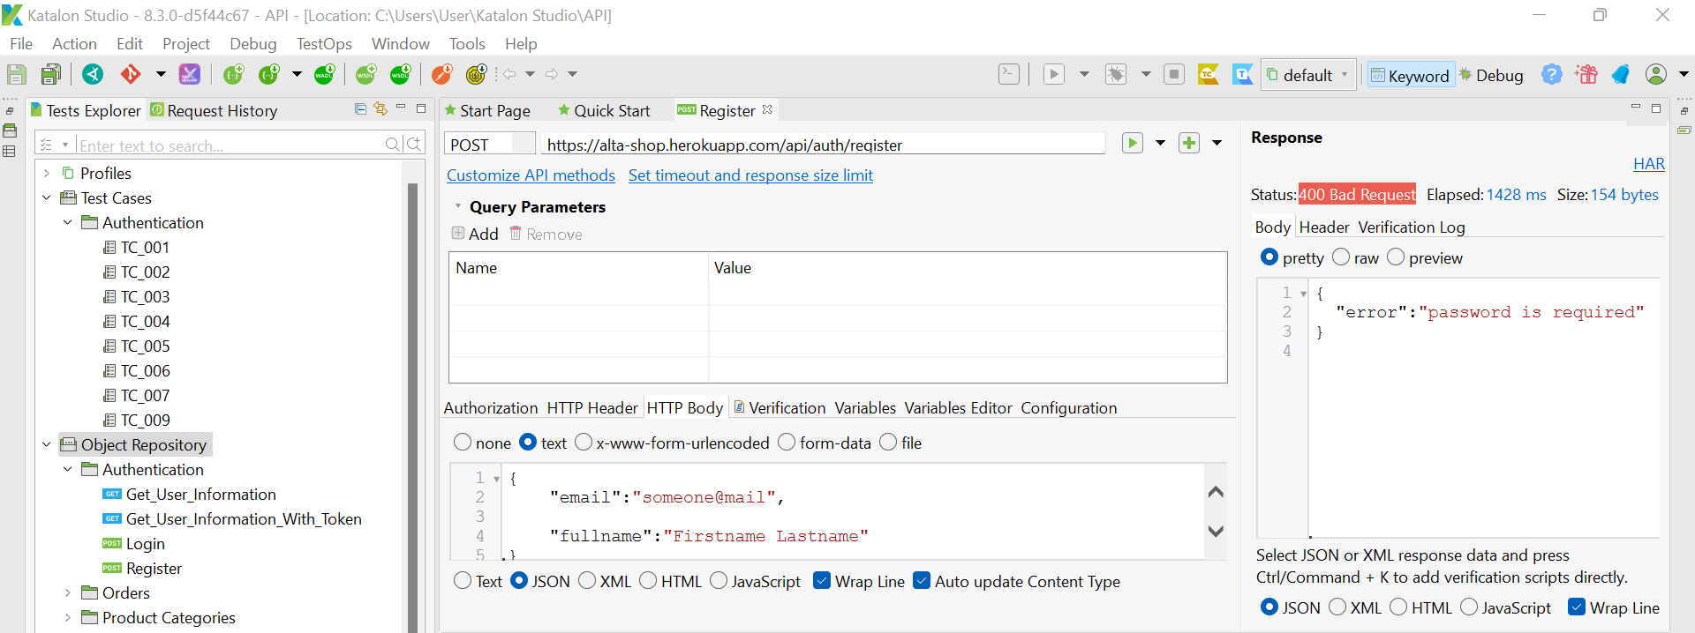
TC_003 |  | User registers without password |  | Negative | 1. Set method POST 2. Set URL https://alta-shop.herokuapp.com/api/auth/register 3. Set body parameter(using data)+F7 4. Send Request 5. Verify result 400 Bad Request 6. Verify response body properties | 1. Set method POST 2. Set URL https://alta-shop.herokuapp.com/api/auth/register 3. Set body parameter(using data) 4. Send Request 5. Verify result 400 Bad Request 6. Verify response body properties | Response 400 Bad Request | 2022-10-02 | Response 400 Bad Request | 2022-10-27 | Passed | 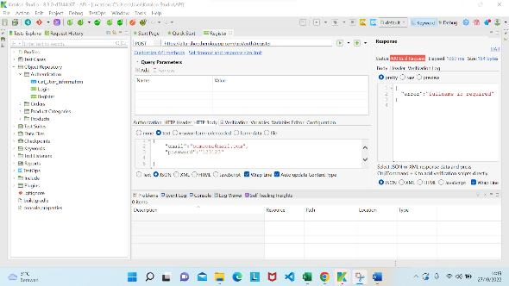
TC_004 |  | User registers without fullname |  | Negative | { "email":"someone@mail.com", "password":"123123" } | 1. Set method POST 2. Set URL https://alta-shop.herokuapp.com/api/auth/register 3. Set body parameter(using data) 4. Send Request 5. Verify result 400 Bad Request 6. Verify response body properties | Response 400 Bad Request | 2022-10-02 | Response 400 Bad Request | 2022-10-27 | Passed | 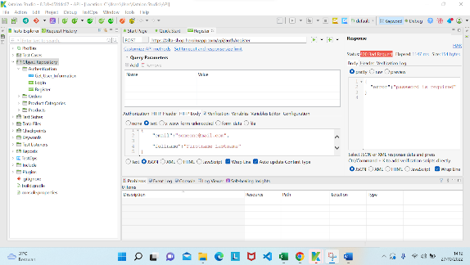
TC_005 |  | User registers with invalid email |  | Negative | { "email":"some@mail.com", "password":"123123", "fullname":"Firstname Lastname" } | 1. Set method POST 2. Set URL https://alta-shop.herokuapp.com/api/auth/register 3. Set body parameter(using data) 4. Send Request 5. Verify result 400 Bad Request 6. Verify response body properties | Response 400 Bad Request | 2022-10-02 | Response 400 Bad Request | 2022-10-27 | Passed | 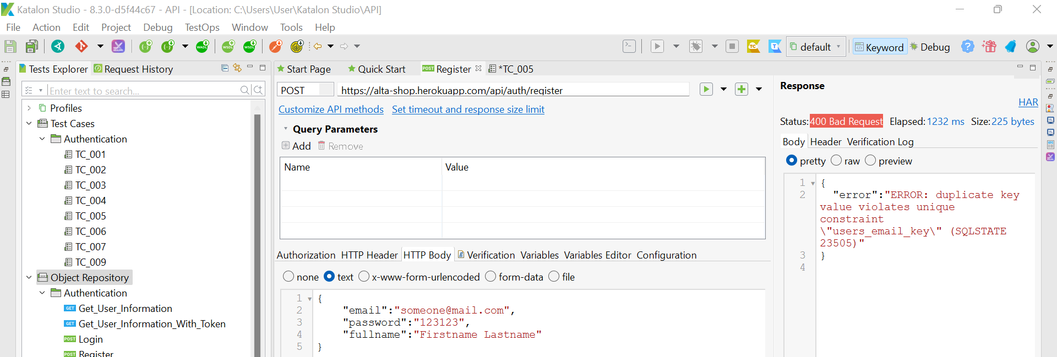
TC_006 | Products | User get all products | User Opening testing software | Positive |  | 1. Set method GET 2. Set URL https://alta-shop.herokuapp.com/api/products 3. Send Request 4. Verify result 200 | Response 200 | 2022-10-02 | Response 200 | 2022-10-26 | Passed | 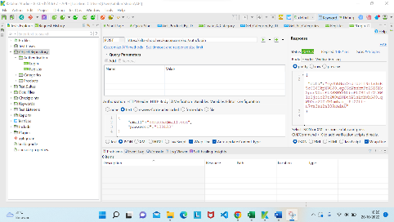
TC_007 |  | User get all products with invalid endpoint |  | Negative |  | 1. Set method GET 2. Set URL https://alta-shop.herokuapp.com/api/product 3. Send Request 4. Verify result 404 Not Found | Response 404 Not Found | 2022-10-02 | Response 404 Not Found | 2022-10-27 | Passed | 
TC_008 |  | User create new product |  | Positive | { "name":"Sony PS5", "description":"play has no limits", "price":299, "categories":[ 2 ] } | 1. Set method POST 2. Set URL https://alta-shop.herokuapp.com/api/products 3. Set body parameter(using data) 4. Send Request 5. Verify result 200 6. Verify response body properties | Response 200 | 2022-10-02 | Response 200 | 2022-10-26 | Passed | 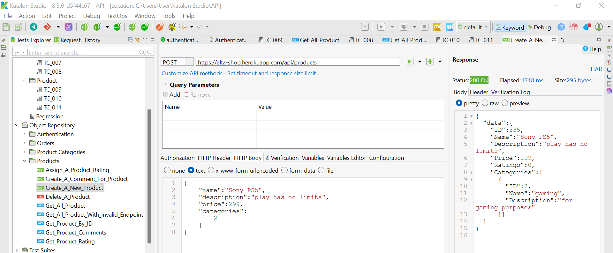
TC_009 |  | User get product by Id |  | Positive | Id = 0 | 1. Set method GET 2. Set URL https://alta-shop.herokuapp.com/api/products/0 3. Send Request 4. Verify result 200 | Response 200 | 2022-10-02 | Response 404 Not Found | 2022-10-26 | Failed | 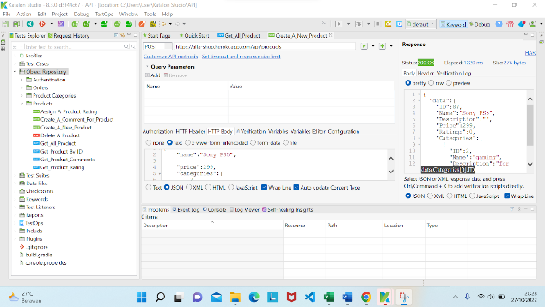 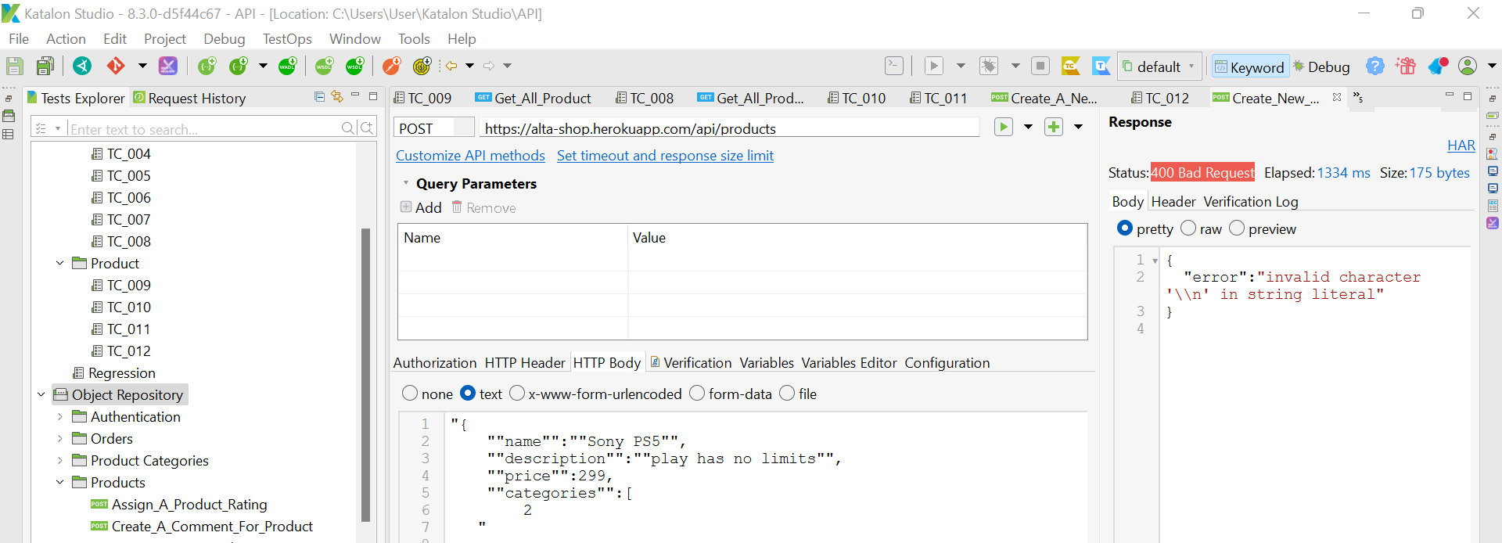 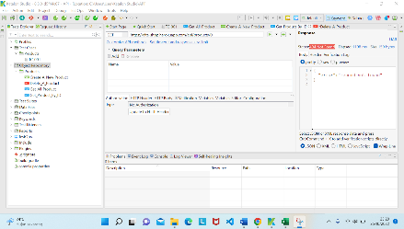
TC_010 |  | User get product by Id with invalid id |  | Negative | Id = 8 | 1. Set method GET 2. Set URL https://alta-shop.herokuapp.com/api/products/8 3. Send Request 4. Verify result 404 Not Found | Response 404 Not Found | 2022-10-02 | Response 200 | 2022-10-27 | Failed | 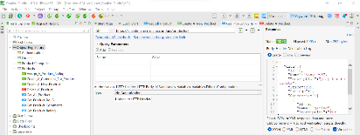
TC_011 |  | User delete a product |  | Positive | Id = 0 | 1. Set method DELETE 2. Set URL https://alta-shop.herokuapp.com/api/products/0 3. Send Request 4. Verify result 200 | Response 200 | 2022-10-02 | Response 500 Internal Server Error | 2022-10-26 | Failed
TC_012 |  | User delete a product with invalid endpoint |  | Negative | Id = 1 | 1. Set method DELETE 2. Set URL https://alta-shop.herokuapp.com/api/products/1 3. Send Request 4. Verify result 404 Not Found | Response 404 Not Found | 2022-10-02 | Response 200 | 2022-10-27 | Failed | 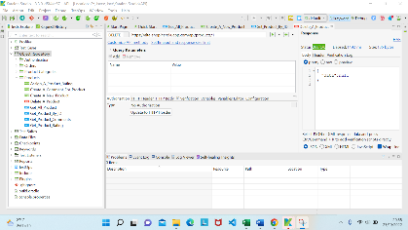
TC_013 | Product Categories | User create a category | User Opening testing software | Positive | { "name":"gaming", "description":"for gaming purposes" } | 1. Set method POST 2. Set URL https://alta-shop.herokuapp.com/api/categories 3. Set body parameter(using data) 4. Send Request 5. Verify result 200 6. Verify response body properties | Response 200 | 2022-10-02 | Response 200 | 2022-10-06 | Passed | 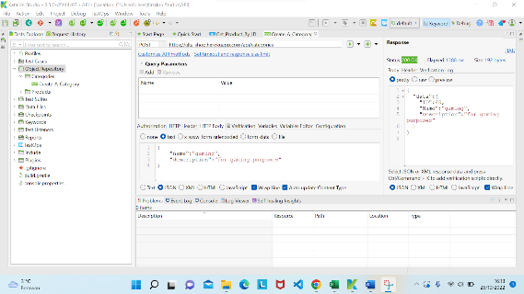
TC_014 |  | User create a category with invalid data |  | Negative | { "name":"gaming", "description":for gaming purposes } | 1. Set method POST 2. Set URL https://alta-shop.herokuapp.com/api/categories 3. Set body parameter(using data) 4. Send Request 5. Verify result 400 Bad Request 6. Verify response body properties | Response 400 Bad Request | 2022-10-02 | Response 200 | 2022-10-06 | Failed | 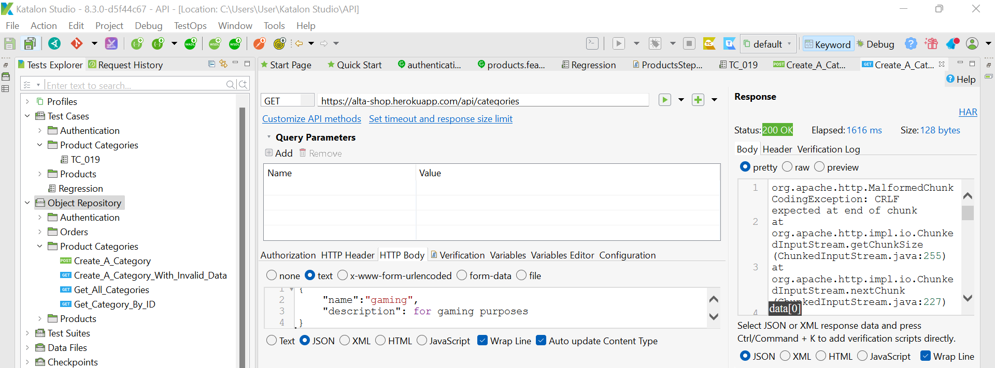
TC_015 |  | User get category by Id with valid id |  | Positive | Id = 0 | 1. Set method GET 2. Set URL https://alta-shop.herokuapp.com/api/categories/0 3. Send Request 4. Verify result 200 | Response 200 | 2022-10-02 | Response 404 Not Found | 2022-10-06 | Failed | 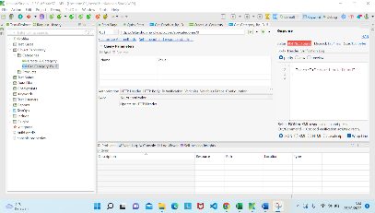
TC_016 |  | User get category by Id with invalid id |  | Negative | Id = 2 | 1. Set method GET 2. Set URL https://alta-shop.herokuapp.com/api/categories/2 3. Send Request 4. Verify result 404 Not Found | Response 404 Not Found | 2022-10-02 | Response 200 | 2022-10-06 | Failed | 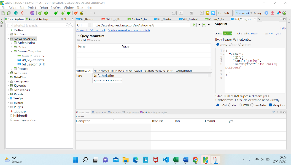
TC_017 | Orders | User create a new order without token | User Opening testing software | Negative | [ { "product_id":2, "quantity":1 } ] | 1. Set method POST 2. Set URLhttps://alta-shop.herokuapp.com/api/orders 3. Set body parameter(using data) 4. Send Request 5. Verify result 200 6. Verify response body properties | Response 401 Unauthorized | 2022-10-02 | Response 401 Unauthorized | 2022-10-06 | Passed | 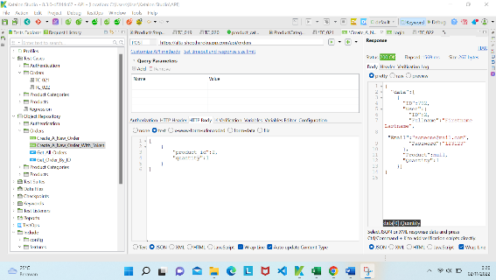
TC_018 |  | User create a new order with token |  | Positive | [ { "product_id":2, "quantity":1 } ] | 1. Set method POST 2. Set URLhttps://alta-shop.herokuapp.com/api/orders 3. Set body parameter(using data) 4. Send Request 5. Verify result 200 6. Verify response body properties | Response 200 | 2022-10-02 | Response 200 | 2022-10-06 | Passed | 